Sheet1
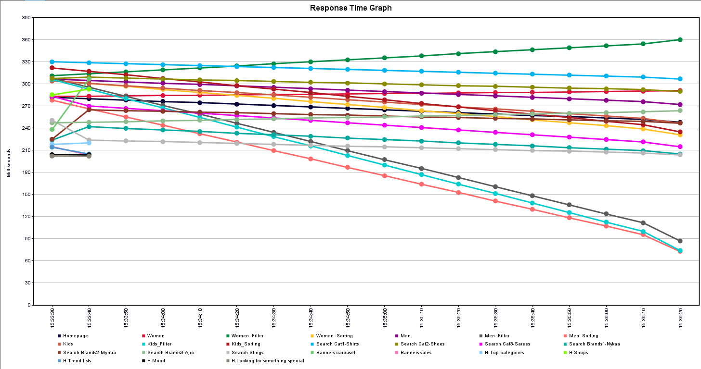
Threads | Start time | Lable | Sample time(ms) | Status | Bytes | Sent Bytes | Latency
1 | 15:29:04 | Homepage | 185 | Success | 4757 | 120 | 185
2 | 15:29:05 | Women | 292 | Success | 4759 | 130 | 292
3 | 15:29:05 | Women_Filter | 203 | Success | 4759 | 180 | 203
4 | 15:29:05 | Women_Sorting | 204 | Success | 4759 | 160 | 204
5 | 15:29:05 | Men | 205 | Success | 4759 | 128 | 205
6 | 15:29:05 | Men_Filter | 204 | Success | 4759 | 178 | 204
7 | 15:29:06 | Men_Sorting | 205 | Success | 4759 | 158 | 205
8 | 15:29:06 | Kids | 210 | Success | 4759 | 129 | 210
9 | 15:29:06 | Kids_Filter | 166 | Success | 4759 | 179 | 166
10 | 15:29:06 | Kids_Sorting | 212 | Success | 4759 | 159 | 212
11 | 15:29:06 | Search Cat1-Shirts | 169 | Success | 4759 | 133 | 169
12 | 15:29:07 | Search Cat2-Shoes | 166 | Success | 4759 | 132 | 166
13 | 15:29:07 | Search Cat3-Sarees | 176 | Success | 4759 | 133 | 176
14 | 15:29:07 | Search Brands1-Nykaa | 176 | Success | 4759 | 132 | 176
15 | 15:29:07 | Search Brands2-Myntra | 73 | Success | 4759 | 133 | 73
16 | 15:29:07 | Search Brands3-Ajio | 107 | Success | 4759 | 131 | 107
17 | 15:29:07 | Search Stings | 74 | Success | 4759 | 155 | 74
18 | 15:29:07 | Search Stings | 166 | Success | 4759 | 153 | 166
19 | 15:29:08 | Search Stings | 170 | Success | 4759 | 149 | 170
20 | 15:29:08 | Banners carousel | 77 | Success | 4759 | 161 | 77
21 | 15:29:08 | Banners sales | 166 | Success | 4759 | 131 | 166
22 | 15:29:08 | H-Top categories | 175 | Success | 4759 | 154 | 175
23 | 15:29:08 | H-Shops | 83 | Success | 4759 | 163 | 83
24 | 15:29:08 | H-Trend lists | 168 | Success | 4759 | 163 | 168
25 | 15:29:08 | H-Mood | 226 | Success | 4759 | 147 | 226
26 | 15:29:09 | H-Looking for something special | 79 | Success | 4759 | 180 | 79

